Team Entry Form 1
INTERLIGUES NORD | 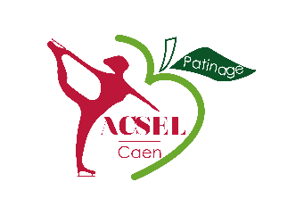

Synchronized Skating Competition
Caen – January 4, 5 2020
Team Entry Form 1
Please return this form before November 10, 2019 : National Synchronized Skating Committee (Comité national de patinage synchronisé) : evenementiel.csnpas@gmail.com; sylvie.coupez@wanadoo.fr; cabon.raphael@orange.fr; Organizing Committee (Comité d’organisation) : interligues-synchro-2020@acsel-caen-patinage.fr

ISU Member
Team Name |  | Categories list
Category |  | Sénior N1 ISU
Country |  | Sénior N1
Club Adress |  | Sénior N2
City |  | Junior N1 ISU
Web Site |  | Junior N1
Number of Skaters |  | Junior N2
 |  | Novice Advanced ISU
Name of Team Manager (Person to contact) |  | Novice Advanced
Phone |  | Novice Basic
Email |  | Mixed Age
 |  | Juvénille
Name of the Coach |  | Adulte
Phone |  | Adulte ISU
Email |  | Sk8

Entry Fee | 290.00 €

Date | Signature

